Sheet1
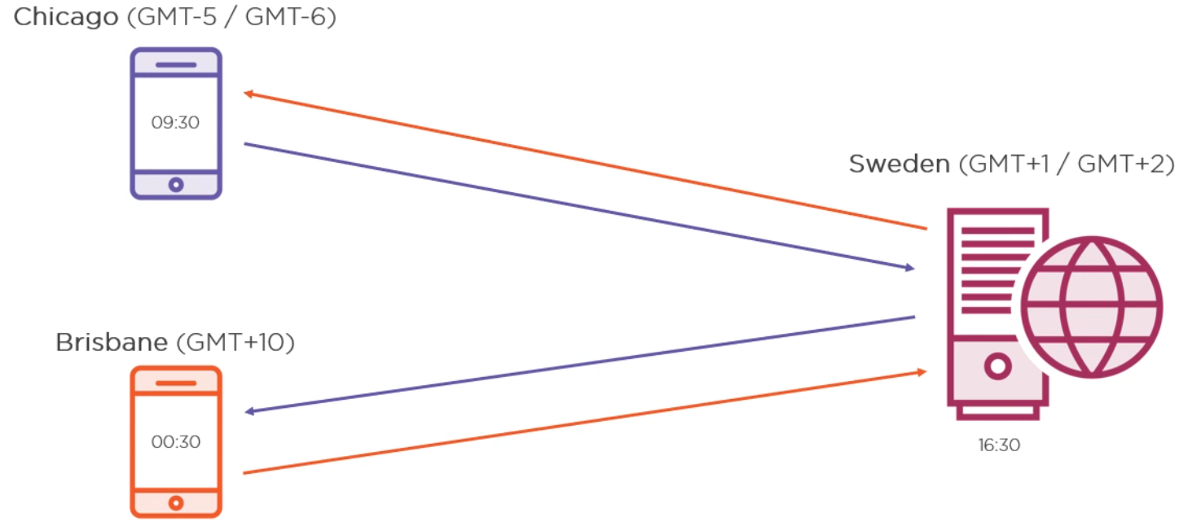
WHAT IS DATE TIME?
Datetime is an instant in date time.

DATETIME PARSE METHOD

SAMPLE DATE TIME PROBLEM?

In Sweden, WE change clock twice a year. Once when winter is approaching and once when Summer is approaching, we turn clock back either an hour or we turn it forward an hour
Suppose, if you buy a ticket right before the clock turns over to summer time or winter time, you either get more time or less time of the ticket you bought. This is the known bug from the starting in the system.

